General Info
Topic | Related information | Templates
Return exchange | In Holland, home collection is not an option for returns; only in-store or NL Poste are available, and both are free.
Return exchange | The warehouse only refunds the original price of the item, not the return fees.
Return exchange | Some carriers include the return label with the package, while others attach it when collecting the order for return.
payment | If the payment platform indicates that the payment has been declined, but the delivery platform shows that the package is being delivered,we should inform the customer that the payment has been declined and ask them to refuse the package if they have received it.
Wintergrate | we can check the refund or replacement in "Consult Order" or General Return Query
Wintergrate | 1 stands for replacement and 2 stands for refund
Wintergrate | For orders from Poznan warehouse , we have to access Cambios pozn in order to process a refund
Delivery | In India, customers are required to send KYC information before their package is delivered. The transport company will keep the package until we send them the KYC information.
Return exchange | In Ukraine, the refund can be made via Private Bank (the bank sends the customer a code, and they have three days to collect the refund from the bank) or by offering vouchers that can be used for the next purchase.
Wintergrate | when the item is defective use "TARA" as a motif , when the item is missing use "ERROR"
Mango Likes You | when the customer is not visible on Loyal Guru we need to write an email to eqp.loyalty@mango.com with subject "MLY customer not registered in LG + Country" indicating the customer's ID number (if we do not have the ID we must indicate customer's email) and a brief explanation of the incident.
Wintergrate | When processing a refund/replace for two items from the same order, we need to do it on Wintergrate at the same time. Otherwise, if we refund/replace one item and then need to refund/replace another, we will have to wait for Wintergrate to process the first refund (which takes one hour). Alternatively, we can delete the first refund and do it again.
Wintergrate : delete a processed refund | We can delete a recent refund/replacement made on Wintegrate by : *choosing the 'General Return Query' option, *searching for the order, *pressing F3 once we have found the refund/replacement related to the order, *writing 'CAMBIOS', *pressing F1, *selecting 'NO TRATAR' and pressing S.
Invoices | If we want to check whether the invoice has been sent, we go to 'Details', 'Related' and 'Case History'. Since it said 'proof of purchase', the invoice has been sent.
Gift Card | If the customer paid with a gift card, the refund will be issued to that gift card.
Wintergrate | 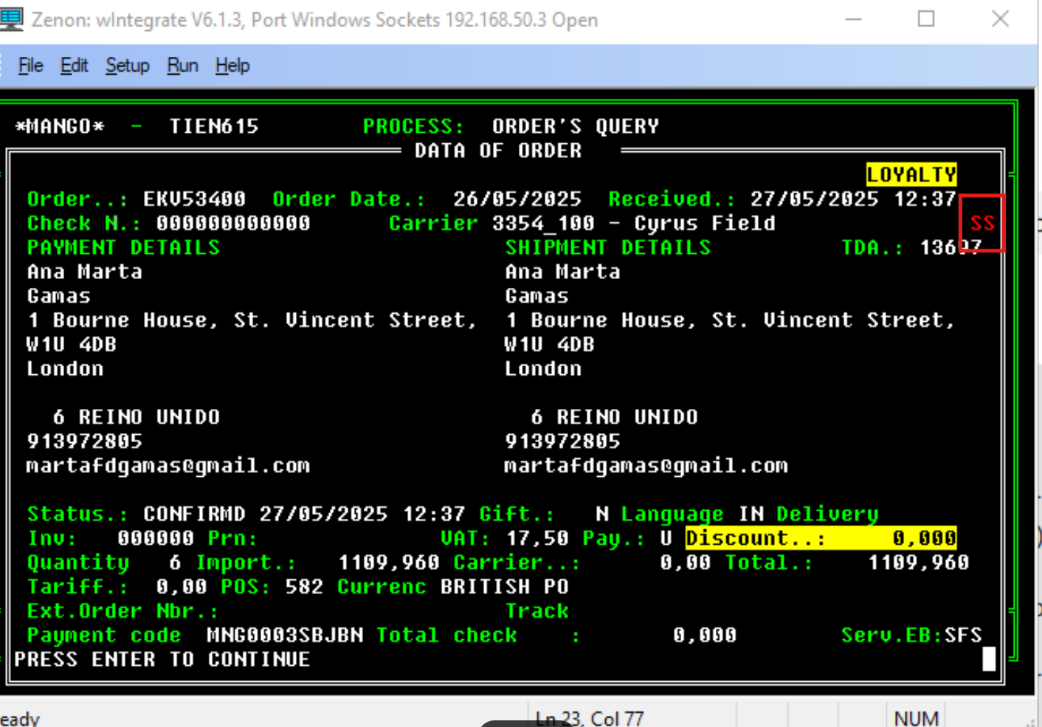 The 'SS' indicates that the order will be shipped from the store, not a warehouse. This is why the order status may show as 'ready for collection' in Droppoint, even when the customer has opted for home delivery. This means that the parcel will be shipped from the store to the customer's home address.
Personal data | Never ask customers to send you their bank details; always advise them to add them online.
Store | All emails to the store must be sent from the address hellocs@mango.com. This email address should be used for communication with stores.
Refunds | Customer cannot enter bank details online, nor can we in WTG, escalate cases to EBUSS.
Mango Likes You | Birthday likes are valid from the date on which the customer receives them, i.e. 15 days before their birthday.
Changing Delivery Address Manually in WTG | "*Go to 'Modification Order Details' in WTG *Press Enter or 1 to go to 1=General *enter the password 'TVIRTUAL' *press F5, then F10 repeatedly until you reach the address field. *After changing the address, press F10 repeatedly until the cursor reaches the bottom of the screen and the message 'PRESS ENTER TO CONTINUE' appears at the bottom of the window. *Confirm by pressing 'Enter'." KB article | We confirm that the change of address has been made correctly in our system, so you will receive your order at the address requested in the following days. We take this opportunity to inform you that in the shipping confirmation email that you will receive as soon as the order leaves our warehouses, the address indicated when making the purchase will appear by default, even though the modification has been made successfully.
Delivery | If the status on the Courrier platform is 'Returned to Sender', we can process a refund, even though the status in Salesforce in "lines" is still 'Shipped'.
Merging accounts | It's not possible to merge accounts. The only solution is to delete the old account, which will result in the loss of purchase history and likes. Therefore, we need to alert the customer and ensure that they do not have any ongoing orders or returns on the old account before deleting it. If the customer wants to transfer their likes to the new account, this can be done before they delete the old account.
Store | For store investigations, we first contact them by phone. If they don't pick up, we send an email and mark the case as 'waiting'. If they don't reply within 48 hours, the 'waiting' status will expire and we can send another email. If they don't reply within a further 48 hours, we escalate the case to physical stores.
WINTERGRATE | When the comment in 'General return query' is 'Pedido ship from store', it means that the refund for an iPad order was processed as an online order, so it's stuck in WTG with the letter Z on SIT. We therefore need to process the refund again. KB Article : Ship from store orders
WINTERGRATE : Add bank details | *Choose 'General Return Query'. *search for the order *Press F11. *Press Enter and a box will appear to allow you to add or correct the bank details.
WINTERGRATE : correct the reference
Delivery Cost | If the refund/exchange is processed by TARA or ERROR and the customer paid shipping costs to receive the order, the amount of the shipping costs is automatically added to the amount of the refund
Salesforce : Account Deletion | guide the cs to delete the account by himself : 1. Log in and go to "My account". 2. Next, go to the "My details" section. 3. Click on "Do you want to delete your account?". 4. Confirm the cancellation of the account. KB Article :Account personal data_FAQ_Delete account (EN) If, after offering these steps, the customer requests us to delete their account, says they have already tried and failed check this article KB Article : Account personal data_Suppression (EN)
Gift Card | garments purchased with gift vouchers can only be exchanged for other garments for the same or higher amount, no cash/credit card refund or a voucher or gift card is offered. KB Article : Gift voucher (Store contacts) refer to this article for exceptions
Delivery | you can find the needed info about courier on Transport Manual and Courier telephone numbers
Intranet | When searching for the invoice, try entering the order number with and without the '00'.
Invoice | IPAD, BOPO, Click&Collect and Ship From Store orders : - Invoices do not appear on the Mango "Gestor Documental" platform; They must be issued by the store that received/sent the package. More info in KB Article : Store invoice.

